Sheet1
Texts assessed
Text | Role | Word count used for target-text penalties
Hamilton & Wang | Expert reference translation / ERT | 1,311
run1_20260505_123753.txt | non-enhanced LLM | 1,211
ragrun1_20260505_123753.txt | RAG-enhanced LLM | 1,200
Source word count for source-text crediting: 1,420 words.
1. Error Tabulation
1.1 Concept Representation: CR
ID | Sub-parameter | Desirable translation / issue | ERT | run1 | ragrun1
CG2-301 | CR-2 | Source has defective shift from 北辰 to 北斗星; translation should regularize to North Star. | No error. Regularizes as “North Star.” | No error. Uses “Pole Star,” acceptable as Polaris/North Star. | No error. Uses “North Star” and “Pole Star,” both refer to Polaris.
CG2-302 | CL-B10 | 五伦 should be glossed for non-Chinese readers: five relationships. | No error. Adds parenthetical enumeration. | Error. “the Five Relations” without explanation. | Error. “the five relations” without explanation.
CG2-303 | CR-1; CR-3; CL-B10 | The metalinguistic wordplay around 伦 / 沦 / 仑 requires pinyin and explanation. | No error. Uses renlun, lun, explains ripple/order association. | No error. Uses renlun, lun, and explains lun / 沦 / 仑 relation. | No error. Uses lun, but minor uncertainty: does not consistently italicize or fully stabilize the metalinguistic explanation; still adequate.
CG2-304 | CR-1; CL-B10 | 子贡 should be identified as Confucius’s disciple. | No error. “One of his disciples, Zigong…” | Error. “Zigong said…” without identity gloss. | Error. “Zigong said…” without identity gloss.
CG2-305 | CL-B9 | Mencius citation should ideally identify textual source, not merely speaker. | Error. Only “Mencius even praised…” | Error. Only “Mencius said…” | Error. Only “Mencius said…”
CG2-401 | CR-1; CR-2; CR-6 | 伦 should be treated metalinguistically with pinyin lun and stable conceptual explanation. | No error. | No error. | No error.
CG2-402 | CR-1; CR-6 | 人伦 should be rendered as renlun with gloss. | No error. “renlun (human relationships).” | No error. “renlun—human relations.” | Error. Renders “lun—human relations,” losing renlun as the source designation.
CG2-403 | CR-1; CR-2; CR-3 | 差序 should be “differential order/ranking,” not generic “graded sequence.” | Error. “discrete circles” obscures 差序 as order/ranking. | No error. “differential ordering/order.” | No error. “differential order.”
CG2-404 | CR-1; CR-2 | 差序格局 should be “differential mode of association” or equivalent. | No error. | No error. | No error.
CG2-405 | CR-1; CR-2; CR-3 | 推 / 推己及人 requires recognition as a metalinguistic concept: tui with gloss. | No error. | No error. Introduces tui and “extend.” | No error. Introduces “extend” but not pinyin in all later instances; initial conceptual handling adequate.
CG2-406 | CR-1; CR-2; CR-3 | 克己 / 克己复礼 should be self-restraint / subduing the self and return to ritual propriety, not self-sacrifice. | No error. | No error. “restrained by ritual propriety.” | No error. “subdued by ritual.”
CG2-407 | CR-1; CR-5 | 修身 should be moral self-cultivation. | No error. | No error. “cultivate the person.” | No error. “cultivate the person.” Slightly literal but conceptually acceptable.
CG2-408 | CR-1; CR-2; CR-6 | 天下 should be tianxia / all under Heaven / all under heaven, not merely nation/country. | No error. | No error. “all under Heaven.” | No error. “all under Heaven.”
CG2-409 | CR-1; CR-2 | 天下之达道 should be universal/great Way of all under heaven. | Error. “passages to the world” is conceptually awkward and weak. | No error. “the universal Way of all under Heaven.” | No error. “the universal Way under Heaven.”
CG2-410 | CR-1; CR-2; CR-3 | 自我主义 should be egocentrism, not egoism/selfishness. | No error. | No error. “egocentrism.” | Error. Uses “egoism” throughout.
CG2-411 | CR-1; CR-2; CR-3 | 个人主义 should be individualism. | No error. | No error. | No error.
CG2-412 | CR-1; CR-2; CR-3 | 平等观念 should be concept/idea of equality, parallel with constitutional concept. | No error. | No error. “idea of equality.” | No error. “idea of equality.”
CG2-413 | CR-1; CR-2; CR-3 | 宪法观念 should be concept/notion of constitutionality or constitutionalism, parallel with equality. | No error. | No error. “idea of constitutionalism.” | No error. “idea of constitutionalism.”
CG2-414 | CR-1; CR-2 | 仁 should be benevolence / humaneness, preferably with ren. | No error. | No error. “benevolent,” “benevolence.” | No error. “humane,” “humanity.” Acceptable, though less stable than ERT/run1.
CG2-415 | CR-1 | 圣 should be sage, not saint/holy. | No error. | No error. | No error.
CG2-416 | CR-1; CR-2; CR-3 | 君子 / 小人 require culturally appropriate, symmetrical rendering. | No error. | No error. “gentleman / petty man.” | No error. “gentleman / petty man.”
CG2-417 | CR-1; CR-5 | 伦也，水文相次有伦理也 requires pinyin/metalinguistic explanation. | No error. | No error. | No error.
CG2-418 | CR-1; CR-5 | 不失其伦 should retain relation to lun, preferably with pinyin. | No error. “Everyone should stay in his place (bu shi qi lun).” | Error. “Not losing one’s lun” is pinyin-based but under-explains the idiom’s normative force. | Error. Same problem: “Not losing one’s lun” without gloss such as proper ordering/distinctions
CG2-419 | CR-1; CR-5 | 此其不可得与民变革者也 means cannot be altered by/with the people. | No error. | No error. “cannot be changed by the people.” | No error. “cannot be changed…with the people,” awkward but conceptually close.
CG2-420 | CR-1; CR-5 | 十伦 should make clear that the ten lun form graded/differentiated relations, not merely ten relations. | No error. “ten relationships” plus discontinuous classification. | Error. “The ten lun…” lists them but does not sufficiently gloss the classification. | Error. Same: “the ten lun…” without explicit classification gloss.
CG2-421 | CR-1; CR-5 | 能近取譬 should mean taking what is near/in oneself as analogy. | No error. | No error. | No error.
CG2-422 | CR-1; CR-5 | 中庸 should be Doctrine of the Mean. | No error. | No error. | No error.
CG2-423 | CR-1; CR-5 | 天国 should be Heaven / Kingdom of Heaven. | No error. | No error. “Kingdom of Heaven.” | No error. “Kingdom of Heaven.”
CG2-424 | CR-1 | 墨翟 should be Mo Di / Mozi; omission is error. | Error. Omits final Mo Di contrast. | No error. “Mo Di.” | No error. “Mo Di.”
CR error counts
Text | CR error count
ERT | 4
run1 | 4
ragrun1 | 7
1.2 Concept Logic: Layer B
ID | Sub-parameter | Desirable translation / issue | ERT | run1 | ragrun1
CG2-518 | CL-B1 | Preserve parallelism of 一圈圈推出去，愈推愈远，也愈推愈薄 and avoid literal “thinner” for social relations. | No error. “more distant…more insignificant.” | Error. Uses “farther…weaker,” which is conceptually acceptable, but the “circle after circle” + “farther/weaker” parallelism is weaker. Uncertain borderline. | Error. “farther…more distant and thinner”; literal “thinner” is specifically marked unacceptable.
CG2-519 | CL-B1 | Preserve ten paired items in parallel X-and-Y form. | No error. | No error. | No error.
CG2-520 | CL-B1; CL-B2 | Preserve triple parallelism/repetition: 亲亲也，尊尊也，长长也. | No error. | No error. “Loving one’s kin as kin, honoring the honorable, treating elders as elders.” | No error. “Loving one’s kin as kin, honoring the honored, respecting elders as elders.”
CG2-521 | CL-B3 | Preserve antithesis: concrete social relations vs abstract relative statuses. | No error. | No error. | No error.
CG2-522 | CL-B1 | Preserve chain: from self to family, family to state, state to tianxia. | No error. | No error. | No error.
CG2-523 | CL-B1; CL-B2 | Preserve two-part parallelism: establishing self/others; attaining self/others. | No error. | No error. | No error.
CG2-524 | CL-B1; CL-B3 | Preserve parallel antithesis: gentleman seeks in self / petty man in others. | No error. | No error. | No error.
CG2-525 | CL-B1; CL-B2 | Preserve three-part repayment structure: repay resentment with virtue/uprightness; repay virtue with virtue. | No error. | No error. | No error.
CG2-526 | CL-B7 | Preserve frame marker and rhetorical question: “To us reading it now, how could…?” | Error. ERT turns rhetorical question into “Some may wonder why…” | No error. “To us today, how could…?” | No error. “To us today, how can…?
CG2-527 | CL-B6 | Preserve explanatory/consequential relation: “In fact… therefore/key…” | No error. | No error. Uses “In fact…” and “precisely.” | No error. Uses “In fact…” and “precisely.”
CG2-528 | CL-B6 | Preserve sequential-result relation: “Following…, one can then…” | No error. | No error. | No error.
CG2-529 | CL-B6 | Codebook prefers “This is egocentrism, not individualism,” because of close link with prior sentence. | No error. | Error. “This is not individualism, but egocentrism.” | Error. “This is not individualism, but egoism.” Also CR error for “egoism.”
CG2-530 | CL-B6 | Preserve contrast + cause: “However/But…, because…” | No error. | Error. “In traditional Chinese thought…” lacks contrast marker. | Error. “In our traditional Chinese thought…” lacks contrast marker.
CG2-531 | CL-B6 | Link to prior paragraph: “This kind of egocentrism…” | No error. | Error. Starts “Egocentrism…” | Error. Starts “Egoism…”
CG2-532 | CL-B7 | Preserve emphasis: “This is, in fact, a very apt simile…” | No error. | Error. “This is an excellent metaphor…” lacks the emphatic discourse marker. | Error. “This is a very good metaphor…” lacks the emphatic discourse marker.
CG2-533 | CL-B6 | Preserve contrastive “孔子呢？不然”: “Confucius, however, is different.” | No error. | Error. “Confucius was not so” is less clear and too literal. | Error. Same.
CG2-534 | CL-B7 | Link with previous sentence using signalling noun: “With sentiments such as these…” | No error. | Error. “For this reason…” does not preserve the intended frame linkage. | Error. “Therefore…” same issue.
CG2-535 | CL-B10 | ERT adds useful Western-pattern contrast to bridge from previous section. | No error. | Error. No bridging gloss. | Error. No bridging gloss.
CG2-536 | CL-B10 | Clarify that individual/organization relation belongs to individualism. | No error. | Error. “The individual is spoken of in relation to the group…” too literal and under-explained. | Error. Same.
CG2-537 | CL-B11 | Preserve/add local hedge/link: “In this regard, Confucius is not like Jesus.” | No error. | Error. “Confucius was not like Jesus” without connective. | Error. Same.
CG2-538 | CL-B14 | 我们儒家 should be shifted for English-reader perspective: “Confucian tradition/school,” not “we Confucians.” | No error. | No error. “Confucianism.” | Error. “our Confucian tradition” incorrectly includes English reader in Chinese/Confucian in-group.
CG2-539 | CL-B15 | Preserve inclusive reader perspective: “as we read this today / to us reading it now.” | Error. “Some may wonder…” loses inclusive reader stance. | No error. “To us today…” | No error. “To us today…”
CG2-540 | CL-B15 | Preserve rhetorical question. | Error. Rhetorical question becomes statement. | No error. | No error.
CG2-541 | CL-B14 | 我们传统的社会结构 should be shifted to English-reader perspective: traditional Chinese social structure, not “our.” | No error. | Error. “within our traditional social structure.” | Error. “in our traditional social structure.”
CG2-542 | CL-B14 | 我们中国传统思想里 should be shifted: “in Chinese traditional thought.” | No error. | Error. “In traditional Chinese thought” avoids “our”; acceptable. No error. | Error. “In our traditional Chinese thought…”
CG2-543 | CL-B14 | 因为我们所有的是自我主义 should not include English reader in Chinese in-group. | Error. Codebook marks ERT “for us” as fail. | No error. “because what we have…” is ambiguous. Uncertain: likely retains source authorial “we,” but not explicitly “we Chinese.” | Error. “what we have is egoism” both self-mention and CR problem.
CL Layer B error counts
Text | CL error count
ERT | 4
run1 | 12
ragrun1 | 17
1.3 Layer A Diagnostic Integrity Flags
Layer A is not scored, but it affects the argument-integrity flag.
ID | Element | ERT | run1 | ragrun1
CG2-501 | Overarching claim | Mostly preserved, but final Mo Di contrast omitted. Compromised. | Preserved. | Compromised by repeated “egoism” for 自我主义.
CG2-502 | Subsidiary claim 1: lun as ripple-like differential order | Preserved. | Preserved. | Mostly preserved; slight issue with renlun/lun.
CG2-503 | Subsidiary claim 2: lun stresses differentiation | Preserved. | Preserved. | Preserved.
CG2-504 | Subsidiary claim 3: tui as extension from self | Preserved. | Preserved. | Preserved.
CG2-505 | Subsidiary claim 4: egocentrism vs individualism | Preserved. | Preserved. | Compromised by “egoism,” which tends toward selfishness and misnames the theoretical contrast.
CG2-506 | Subsidiary claim 5: Yang Zhu and Confucius both self-centered, but Confucius extends | Preserved. | Preserved. | Partly compromised by “egoism.”
CG2-507 | Subsidiary claim 6: Confucius expands/contracts moral scope unlike Jesus/Mo Di | Compromised. ERT omits Mo Di and final comparison. | Preserved. | Preserved.
CG2-508 | Grounds: etymological evidence | Preserved. | Preserved. | Mostly preserved.
CG2-509 | Grounds: Liji evidence | Preserved. | Preserved. | Preserved.
CG2-510 | Grounds: Lunyu/Zhongyong/Mencius evidence | Partly compromised by missing Mencius textual source, but speaker retained. | Same. | Same.
CG2-511 | Grounds: North Star simile | Preserved. | Preserved. | Preserved.
CG2-512 | Grounds: Zigong–Confucius dialogue | Preserved with disciple gloss. | Preserved but lacks disciple gloss. | Preserved but lacks disciple gloss.
CG2-513 | Grounds: Confucius on seeking in self / repaying resentment | Preserved. | Preserved. | Preserved.
CG2-514 | Grounds omitted in TT: final Jesus/Mo Di contrast | Compromised. Mo Di omitted. | Preserved. | Preserved
CG2-515 | Implicit warrant: etymological cognacy as evidence | Preserved. | Preserved. | Mostly preserved.
CG2-516 | Implicit warrant: canonical citations as premises | Preserved. | Preserved. | Preserved.
CG2-517 | Backing: Western political philosophy contrast | Preserved, indeed strengthened by added opening bridge. | Preserved but less explicit. | Preserved but less explicit and weakened by “egoism.”
Argument Integrity flag
Text | Flag
ERT | Compromised — mainly because the final Mo Di contrast is omitted and several codebook-marked ERT failures affect reader-positioning.
run1 | Uncertain / mostly preserved — numeric CL problems are mostly rhetorical-metadiscursive rather than argument-schema-breaking.
ragrun1 | Compromised — mainly because 自我主义 is repeatedly rendered as “egoism,” weakening the central theoretical contrast.
2. Source-Text Penalties
ID | Source deficiency | Dimension | Source defect count | ERT remedy status | run1 remedy | ragrun1 remedy
CG2-301 | 北辰 / 北斗星 inconsistency | CR | 1 | Remedied | Remedied | Remedied
CG2-302 | 五伦 opaque to non-Chinese reader | CL | 1 | Remedied | Not remedied | Not remedied
CG2-303 | 伦/沦/仑 wordplay opaque | CR + CL | 1 counted locus; highest applicable = CL if treated as code-gloss issue, but codebook also marks CR. For scoring I count CR 1 and CL 1 only if separately required. Here I use conservative: CR 1. | Remedied | Remedied | Mostly remedied
CG2-304 | 子贡 identity opaque | CR + CL | 1 counted locus; highest applicable = CL-B10 | Remedied | Not remedied | Not remedied
CG2-305 | Mencius citation lacks textual source | CL-B9 | 1 | Not remedied | Not remedied | Not remedied
Source-text baseline | Count
Source CR defects | 2
Source CL defects | 3
Explanation:
CR-S = 2: CG2-301 and CG2-303.
CL-S = 3: CG2-302, CG2-304, CG2-305.
Where a source defect has both CR and CL codes, I assign the penalty to the highest-weighted concrete realization unless the codebook clearly treats the CR issue as concept-designation-specific. CG2-303 is counted as CR because the primary issue is metalinguistic designation/wordplay; CG2-304 is counted as CL because the missing identity gloss affects reader comprehension as code gloss. Thus:
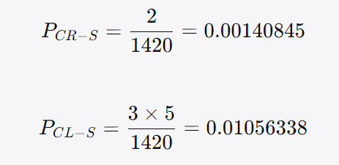

3. Translation Quality Scores
3.1 Raw counts
Text | Word count | CR errors | CL errors | CR-S
ERT | 1,311 | 4 | 4 | 2
run1 | 1,211 | 4 | 12 | 2
ragrun1 | 1,200 | 7 | 17 | 2
3.2 Penalty calculations
ERT
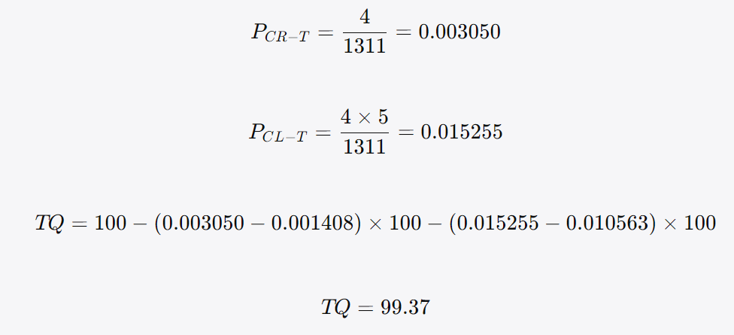

run1
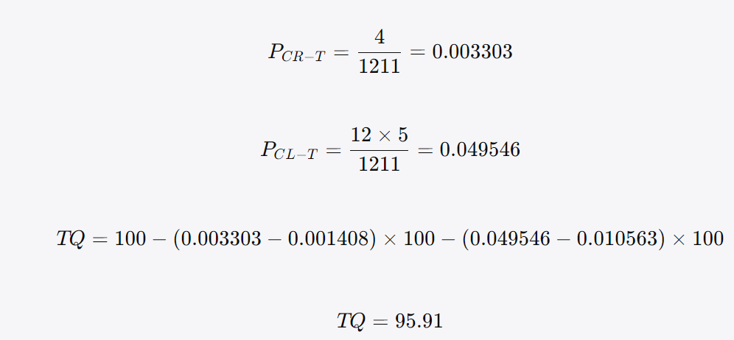

ragrun1
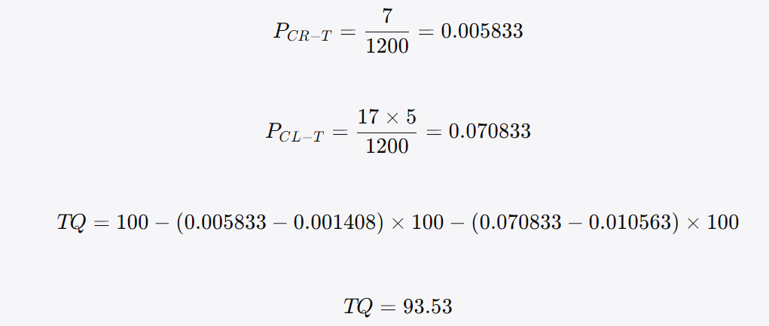

3.3 Final score table
Text | CR errors | CL errors | Argument Integrity flag | TQ score
ERT | 4 | 4 | Compromised | 99.37
run1 | 4 | 12 | Uncertain / mostly preserved | 95.91
ragrun1 | 7 | 17 | Compromised | 93.53
4. Interpretation
4.1 Where RAG helped
In this specific output, RAG’s improvement is limited and appears mainly in preserving broad propositional content rather than improving concept-translation precision. RAG did help or at least perform adequately in the following areas: Core ripple analogy and lun explanation mostly retained. It preserves the water-ripple image and the idea that lun is an ordered differential structure. Classical paired structures are generally preserved. Like run1, ragrun1 keeps the ten paired relations, the self-family-state-tianxia chain, the parallelism in the Zigong passage, and the gentleman/petty-man antithesis. Mo Di is retained. Unlike ERT, both LLM translations preserve the final “Mo Di” contrast. This is significant because the final sentence completes the tripartite contrast: Confucius vs. Jesus vs. Mo Di. North Star defect is remedied. RAG regularizes the defective 北辰/北斗星 issue to North Star/Pole Star, avoiding the astronomical inconsistency in the source.

4.2 Where RAG did not help
RAG did not improve the translation overall in this sample. It performs worse than run1 under both CR and CL. Major weaknesses: (1) Central term 自我主义 is mistranslated as “egoism.” This is the most serious RAG-specific degradation. The codebook requires egocentrism, because Fei’s 自我主义 names a structural self-centeredness, not ordinary egoism or selfishness. “Egoism” narrows and moralizes the concept, thereby weakening the central contrast with individualism. (2) 人伦 is mishandled. The source’s 人伦 should be distinguished as renlun with a gloss. RAG collapses it into “lun—human relations,” losing the compound designation. (3) Several source-text deficiencies remain unremedied. RAG does not add the required gloss for: 五伦; 子贡 as Confucius’s disciple; Mencius textual source. (4) Reader-positioning problems increase. RAG frequently retains “our” in contexts where the English translation should not absorb the target reader into the Chinese/Confucian in-group: “our Confucian tradition”; “our traditional social structure”; “our traditional Chinese thought”; “what we have is egoism.” (5) Metadiscursive transitions are not strengthened. RAG does not reproduce the ERT’s discourse-management improvements such as: “This kind of egocentrism…”; “in fact” in the differential-mode simile; “With sentiments such as these…”; the Western-pattern bridging gloss at the beginning. (6) Literalism in the ripple analogy. “The farther they spread, the more distant and the thinner they become” reproduces the physical image but fails to transfer the figurative implication for social relations. The codebook specifically warns against rendering 愈薄 as “thinner.”

4.3 Where run1 performs better than ragrun1
The non-enhanced run1 is substantially stronger on the conceptual core: It uses egocentrism, not “egoism.” It handles renlun correctly. It gives a more stable account of 差序 / 差序格局. It preserves the final Mo Di contrast. It avoids some of RAG’s first-person in-group problems, though not all. However, run1 still has notable weaknesses: no gloss for 五伦; no disciple gloss for Zigong; no Mencius textual source; weak handling of “不失其伦” and “十伦”; numerous CL-B metadiscursive failures relative to the ERT/codebook benchmark.

4.4 Where ERT itself fails
The ERT remains the strongest overall, but the codebook correctly identifies several important failures: (1) 差序 is sometimes over-rendered as “discrete circles.” This captures the ripple image but weakens the ordering/ranking component. (2) 天下之达道 as “passages to the world” is awkward. The expression should be closer to “the universal Way of all under heaven.” (3) Mo Di is omitted. This is the most important ERT failure. The omission truncates the final contrast and compromises the argument schema at CG2-507 and CG2-514. (4) Rhetorical question and reader engagement are weakened in paragraph ②. ERT turns the direct rhetorical question into “Some may wonder why…,” losing the inclusive reader stance. (5) The Mencius textual source remains unspecified. ERT improves many source deficiencies, but not this one. (6) “for us, there is only egocentrism” is flagged in the codebook. This formulation risks drawing the English reader into the Chinese in-group, although the risk is milder than RAG’s repeated “our” formulations.

5. Uncertain / Flagged IDs for Final Human Judgement
ID | Text | Issue | My provisional judgement
CG2-303 | ragrun1 | It explains lun / 沦 / 仑 but less cleanly than ERT/run1; pinyin/metalinguistic handling is present but somewhat unstable. | No error, but uncertain.
CG2-405 | ragrun1 | Introduces “extend” but does not consistently maintain tui as pinyin-metaterm. | No error, but borderline.
CG2-407 | run1/ragrun1 | “cultivate the person” for 修身 is literal; “moral self-cultivation” would be clearer. | No error.
CG2-418 | run1/ragrun1 | “Not losing one’s lun” uses pinyin but gives insufficient explanatory gloss. | Counted as error.
CG2-518 | run1 | “farther…weaker” avoids “thinner” and is conceptually reasonable, but parallelism is weaker than ERT. | Counted as CL error, but uncertain.
CG2-543 | run1 | “because what we have is egocentrism” retains “we” but not explicitly “we Chinese”; could be read as authorial community rather than target-reader inclusion. | No error, but uncertain.
CG2-541 | run1 | “our traditional social structure” may preserve Fei’s authorial Chinese “we,” but codebook prefers target-reader shift. | Counted as error.
CG2-542 | run1 | “In traditional Chinese thought” avoids the problematic “our,” so I did not count it. | No error.
CG2-501 / CG2-507 / CG2-514 | ERT | Whether omission of Mo Di should be treated only as CR-1/CG2-424 or also as Layer-A compromised. | Layer A compromised, but no extra numeric penalty.
CG2-505 / CG2-506 / CG2-517 | ragrun1 | Whether “egoism” compromises the full argument schema or should remain only a CR error. | I flag Argument Integrity as compromised because 自我主义 is central.
6. Human Expert A's Final Judgement (20260616 0227pm)
1. CG2-303: ragrun1 fails here. Please penalize under CR— severity multiplier ×1.
2. CG2-405: ragrun1 fails here. Please penalize under CR— severity multiplier ×1.
3. CG2-407: run1 fails here. Please penalize under CR— severity multiplier ×1.
4. CG2-407: ragrun1 fails here. Please penalize under CR— severity multiplier ×1.
5. CG2-418: run1 fails here. Please penalize under CR— severity multiplier ×1.
6. CG2-418: ragrun1 fails here. Please penalize under CR— severity multiplier ×1.
7. CG2-518: run1 has no error here. Thus, no penalty here.
8. CG2-543: run1 fails here. Please penalize under CL— severity multiplier ×5.
9. CG2-541: run1 fails here. Please penalize under CL— severity multiplier ×5.
10. CG2-542: run1 fails here. Please penalize under CL— severity multiplier ×5.
11. CG2-501 / CG2-507 / CG2-514: ERT fails here. Please penalize under CL— severity multiplier ×5.
12. CG2-505 / CG2-506 / CG2-517: ragrun1 fails here. Please penalize under CL— severity multiplier ×5.
Revised 3. Translation Quality Scores
3.1 Revised Raw Counts
Text | Word count | Revised CR errors | Revised CL errors | Source CR defects | Source CL defects
ERT | 1,311 | 4 | 7 | 2 | 3
run1 | 1,211 | 5 | 13 | 2 | 3
ragrun1 | 1,200 | 10 | 20 | 2 | 3
The source-text crediting baseline remains:
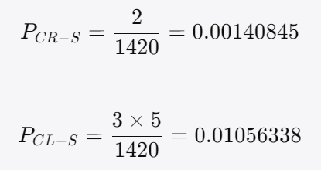

3.2 Revised Penalty Calculations
ERT
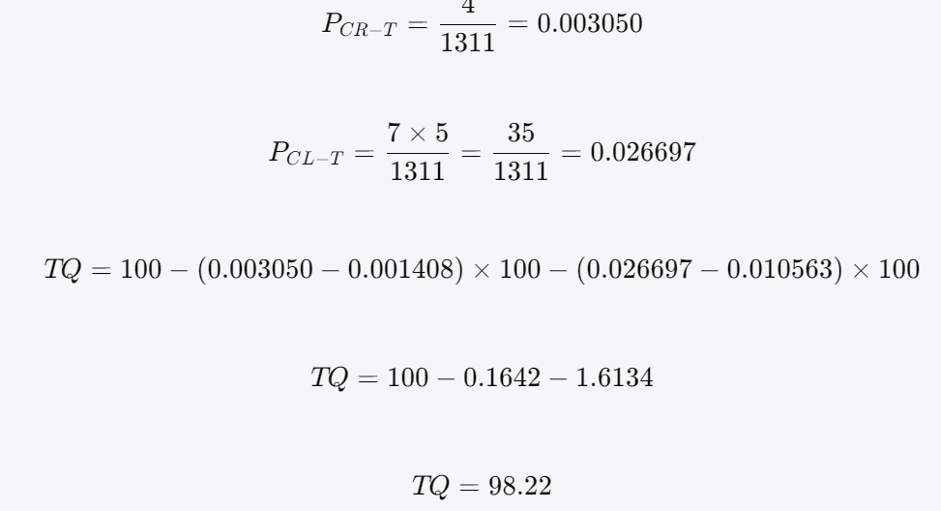

run1
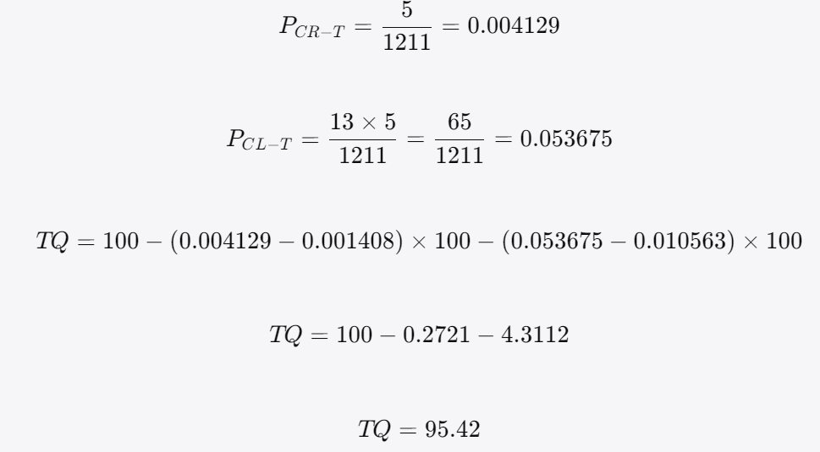

ragrun1
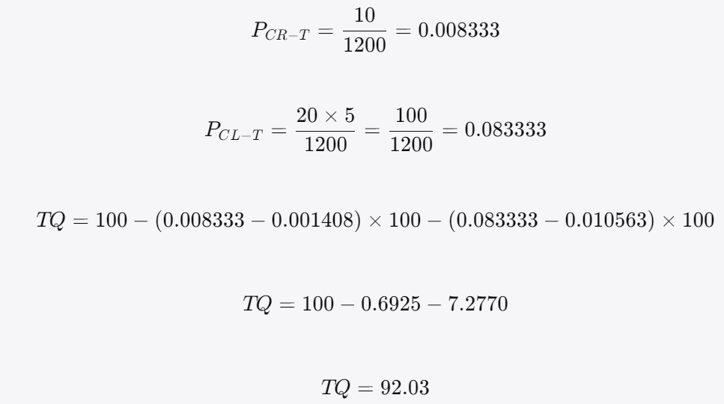

3.3 Revised Final Score Table
Text | CR errors | CL errors | Argument Integrity flag | Revised TQ score
ERT | 4 | 7 | Compromised | 98.22
run1 | 5 | 13 | Compromised / uncertain | 95.42
ragrun1 | 10 | 20 | Compromised | 92.03
Revised 4. Interpretation
4.1 Where RAG Helped
1. It preserves the broad macrostructure of the passage RAG retains the overall sequence: ripple analogy; explanation of lun; graded relational order; Confucian tui / extension; egocentric network; comparison with Yang Zhu, Jesus, and Mo Di. So at the broad topical level, ragrun1 does not collapse the passage.

2. It preserves Mo Di Unlike the ERT, ragrun1 retains the final reference to Mo Di: “He was not like Jesus, or China’s Mo Di…” This is important because the final contrast completes Fei’s argument: Confucius is unlike Jesus and Mo Di because his moral extension remains retractable and differential.

3. It regularizes the North Star issue Like ERT and run1, ragrun1 avoids the source-text astronomical inconsistency by using North Star / Pole Star rather than reproducing a misleading Big Dipper reference.

4.2 Where RAG Did Not Help
1. RAG fails on the central concept 自我主义 This affects not only CR but also the argument logic. Under your adjudication, the following Layer-A/CL sites are now penalized: CG2-505: the egocentrism vs individualism contrast; CG2-506: the Yang Zhu / Confucius comparison; CG2-517: the Western political-philosophical backing. The result is that ragrun1 weakens the passage’s central theoretical architecture.

2. RAG fails to handle the metalinguistic wordplay adequately You adjudicated CG2-303 as a RAG failure. This means ragrun1 does not adequately reproduce the source’s metalinguistic structure around: 伦; 沦; 仑; ripple/order/category semantic association. This is important because Fei’s concept of 差序格局 is built through a philological argument. If the translation does not clearly present this wordplay, the reader loses part of the warrant that links lun to the ripple analogy.

3. RAG fails to stabilize 推 / tui as a concept You adjudicated CG2-405 as a RAG failure. Although ragrun1 repeatedly uses “extend,” it does not sufficiently mark 推 as a technical/metalinguistic concept. This matters because 推 is not merely an ordinary verb here. It is the mechanism by which Fei links: self → family → state → all under Heaven self→family→state→all under Heaven Thus, failure to mark 推 / tui weakens the conceptual system connecting 己, 伦, and 差序格局.

4. RAG fails on 修身 You adjudicated CG2-407 as a RAG CR error. The rendering “cultivate the person” is too literal and insufficiently anchored in the established Confucian term moral self-cultivation / self-cultivation. This is a concept-representation weakness because 修身 is a conventional Confucian designation, and the translation should prefer the established target-language rendering.

5. RAG leaves several source-text deficiencies unremedied RAG does not remedy: CG2-302: 五伦 lacks explanatory enumeration; CG2-304: Zigong is not identified as Confucius’s disciple; CG2-305: the Mencius quotation lacks textual-source identification. These failures are especially relevant because a RAG system should, in principle, be better positioned to supply such contextual or cultural information.

6. RAG increases reader-positioning errors RAG repeatedly retains “our” where the target-language scholarly reader should not be incorporated into a Chinese/Confucian in-group: “our Confucian tradition”; “our traditional social structure”; “our traditional Chinese thought”; “what we have is egoism.” This damages CL-B14 self-mention handling and makes the translated academic voice less suitable for an English-language social science audience.

4.3 Where ERT Itself Fails
1. ERT omits Mo Di The most significant ERT failure is the omission of 墨翟 / Mo Di in the final sentence. Source: 他不像耶稣或中国的墨翟，一放不能收。 ERT ends with: Instead, Confucius expanded and contracted the moral scope according to necessity. The omission removes the final comparison between Confucius and Mo Di. Under your adjudication, this now generates CL penalties at: CG2-501; CG2-507; CG2-514. This means the ERT’s argument integrity is not merely diagnostically compromised but numerically penalized.

2. ERT has CR failures despite its overall quality The ERT still fails on: CG2-403 差序, where “discrete circles” underplays differential ordering; CG2-409 天下之达道, where “passages to the world” is awkward and conceptually weak;

3. ERT has metadiscursive failures The ERT also fails where the codebook marks it as deficient: CG2-526: rhetorical question weakened; CG2-539: inclusive reader perspective weakened; CG2-540: rhetorical question converted into statement; CG2-543: “for us” risks inappropriate reader inclusion. Even so, ERT remains strongest because it supplies many crucial code glosses and discourse-management improvements missing from both LLM translations.

